Economic Cost Analysis
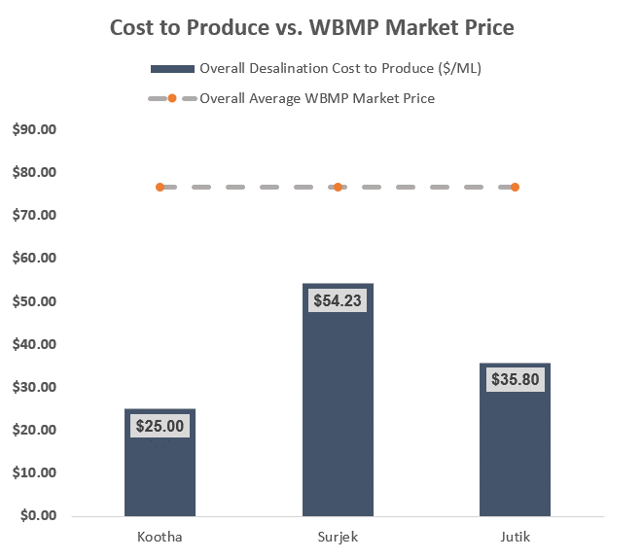
Economic Cost Analysis - Part II
In Economic Data Analysis, we seek to make use of as much data as possible to help us better understand and extract key business insights.
In the previous section (7.2), we've tackled the concepts of elastic and inelastic products. This helps us understand which products are more suspectible to price swings, and which ones are less suspectible.
Now a common phrase in economic data analysis is, "We need to compare things in an apples-for-apples like methodology". With Southern Water Corp, we have a bunch of economic and financial data. We're going to use the tools of Economic Data Analysis to create insights from this and identify which of our three desalination plants are most cost effective.
Previously we've calculated the proportion of revenues that are generated, the expenses and the associated amount of water production. Using economics - we are now going to combine all this information together and create an economic metric to evaluate each plants performance to create our own 'apples-to-apples' comparison.

Let's get started!
For each of the three Southern Water Corp. Desalination Plants, we have an econometric measure called the Desalinated Plant Cost to Produce, or Cost to Produce for short. The Cost to Produce ties together the different costs for each Plant and enables us to create a metric to evaluate how cost-effective the plant is. Q4. Please calculate the Cost to Produce for each of the three (3) desalination plants below using the following formula per plant: Plant Cost to Produce = ( Chemical Costs + Facility Costs + Operational Maintenance Costs + Labour Costs ) / Total Volume of Water Produced for the Month (GL) * 1,000 (To Convert to Mega-Litres from Giga Litres) What trends are you able to pick up from completing the table below? Fill this out in the yellow box below!
Note: If you have difficulty understanding how to calculate the Cost to Produce, it may be helpful to create a Value Driver Tree to showcase how all the drivers are connected.
Account Type | Unit | Value Driver | Cost Centre | Cost Centre Element |  | Jul-13 | Aug-13 | Sep-13 | Oct-13 | Nov-13 | Dec-13 | Jan-14 | Feb-14 | Mar-14 | Apr-14 | May-14 | Jun-14 | Total

Financial Actual | Kootha | Expenses | Chemical Costs | Chem-Exp (001)
Financial Actual | Kootha | Expenses | Facility Costs | Utility-Exp (002) - Heating
Financial Actual | Kootha | Expenses | Facility Costs | Utility-Exp (002) - Electricity
Financial Actual | Kootha | Expenses | Operational Maintenance Costs | Plant Maintenance (001)
Financial Actual | Kootha | Expenses | Operational Maintenance Costs | Plant Outages (002)
Financial Actual | Kootha | Expenses | Operational Maintenance Costs | Plant Op. Costs (003)
Financial Actual | Kootha | Expenses | Operational Maintenance Costs | Plant Admin Costs (004)
Financial Actual | Kootha | Expenses | Labour Costs | Labour-Costs (001)
Water Production Actuals | Kootha
 | Kootha |  |  | Desalination Cost to Produce ($/ML)

Financial Actual | Surjek | Expenses | Chemical Costs | Chem-Exp (001)
Financial Actual | Surjek | Expenses | Facility Costs | Utility-Exp (002) - Heating
Financial Actual | Surjek | Expenses | Facility Costs | Utility-Exp (002) - Electricity
Financial Actual | Surjek | Expenses | Operational Maintenance Costs | Plant Maintenance (001)
Financial Actual | Surjek | Expenses | Operational Maintenance Costs | Plant Outages (002)
Financial Actual | Surjek | Expenses | Operational Maintenance Costs | Plant Op. Costs (003)
Financial Actual | Surjek | Expenses | Operational Maintenance Costs | Plant Admin Costs (004)
Financial Actual | Surjek | Expenses | Labour Costs | Labour-Costs (001)
Water Production Actuals | Surjek
 |  |  |  | Desalination Cost to Produce ($/ML)

Financial Actual | Jutik | Expenses | Chemical Costs | Chem-Exp (001)
Financial Actual | Jutik | Expenses | Facility Costs | Utility-Exp (002) - Heating
Financial Actual | Jutik | Expenses | Facility Costs | Utility-Exp (002) - Electricity
Financial Actual | Jutik | Expenses | Operational Maintenance Costs | Plant Maintenance (001)
Financial Actual | Jutik | Expenses | Operational Maintenance Costs | Plant Outages (002)
Financial Actual | Jutik | Expenses | Operational Maintenance Costs | Plant Op. Costs (003)
Financial Actual | Jutik | Expenses | Operational Maintenance Costs | Plant Admin Costs (004)
Financial Actual | Jutik | Expenses | Labour Costs | Labour-Costs (001)
Water Production Actuals | Jutik
 |  |  |  | Desalination Cost to Produce ($/ML)

Place your answer here
You've now calculated the Desalinated Cost to Produce for each of the three desalination plants (Kootha, Surjek and Jutik). This has given you a micro-view of the trends, but let's take a look at the macro-view of the situation and look at how the aggregated cost to produce (Kootha + Surjek + Jutik) look.
Q5) Aggregate the Cost Centre(s) for each Plant (i.e.Chemical Costs, Facility Costs, Operational Maintenance Costs, Labour Costs) in the table below. Subsequently, in one chart, plot out the Overall Cost to Produce, as well as the Cost to Produce for Kootha, Surjek and Jutik for comparison. What trends do you note when looking at the data in this way?
Account Type | Unit | Value Driver | Cost Centre | Cost Centre Element |  | Jul-13 | Aug-13 | Sep-13 | Oct-13 | Nov-13 | Dec-13 | Jan-14 | Feb-14 | Mar-14 | Apr-14 | May-14 | Jun-14
 |  |  |  |  |  |  |  |  |  |  |  |  |  |  |  |  |  | Total
Financial Actual | All | Expenses | Chemical Costs | Chem-Exp (001)
Financial Actual | All | Expenses | Facility Costs | Utility-Exp (002) - Heating
Financial Actual | All | Expenses | Facility Costs | Utility-Exp (002) - Electricity
Financial Actual | All | Expenses | Operational Maintenance Costs | Plant Maintenance (001)
Financial Actual | All | Expenses | Operational Maintenance Costs | Plant Outages (002)
Financial Actual | All | Expenses | Operational Maintenance Costs | Plant Op. Costs (003)
Financial Actual | All | Expenses | Operational Maintenance Costs | Plant Admin Costs (004)
Financial Actual | All | Expenses | Labour Costs | Labour-Costs (001)
Water Production Actuals | All
 |  |  |  | Desalination Cost to Produce ($/ML)
We've included an example of what your chart may look like.

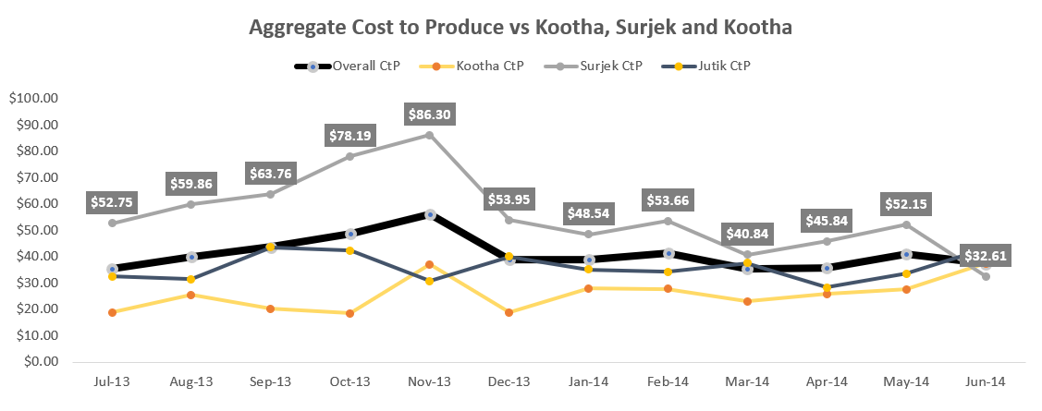

In Economics, we care about our overall Cost to Produce Desalinated Water as it gives us an indication of how cost-effective our plants are. It's important in our Economic Data Analysis to also interpret this price-point with respect to the volume of water that is produced. This touches upon a concept known as economies of scale. Essentially, the more water we produce - the cheaper we should see our production costs. On the other hand, the less water we produce, the more our Cost to Produce will increase on scaled basis. Q6) Using the Monthly Cost to Produce you've calculated for each Plant (Kootha, Surjek and Jutik), create a scatter-plot which shows the Cost to Produce (Y-Axis) against the Total Volume of Water produced. You will end up with three Scatter Plots that will let you see whether a relationship exists between Cost to Produce and the Volume of Water produced. Does there appear to be a relationship between Cost to Produce and Volume of Water Produced? If yes, why do you believe this is the case? If no, why do you believe this is the case?

We've included an example to help you know how your chart might look!
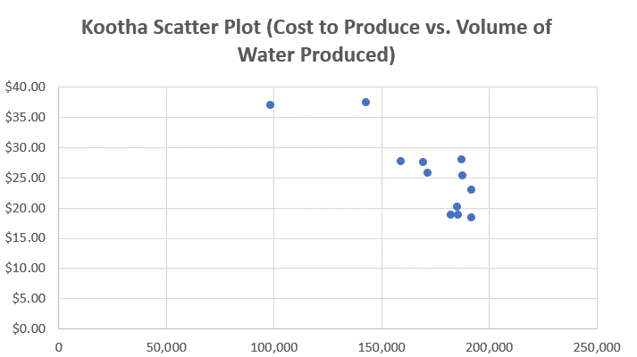

We've now analysed our Cost to Produce and we can clearly see the following trends emerge: A) There are differences in cost effectiveness between plants which are largely influenced by the costs and the volume of water produced B) We can pick up a relationship between the Cost to Produce and Quantity of Water being produced. This brings us to our last questions for the Economic Cost Analysis. 1. How are our desalination plants performing according to our budget at a macro level? 2. What is driving this variance, or difference, between the Actuals and Budget? 3. Are there any Units which are not cost effective with respect to the Water Balancing Market Price? Let's answer these questions by first calculating the Budgeted Desalinated Cost to Produce and then calculate our respective variances to understand what costs are driving these respective negative variances (if any).
Q7A) Utilising the Financial Budget Information contained in the Data Repository Tab, complete the 4 tables below for all the Desalination Plants combined (Kootha + Surjek + Jutik), and then individually for each Desalination Plant.

Account Type | Unit | Value Driver | Cost Centre | Cost Centre Element | Jul-13 | Aug-13 | Sep-13 | Oct-13 | Nov-13 | Dec-13 | Jan-14 | Feb-14 | Mar-14 | Apr-14 | May-14 | Jun-14
 |  |  |  |  |  |  |  |  |  |  |  |  |  |  |  |  | Total
Financial Budget | All | Expenses | Chemical Costs | Chem-Exp (001)
Financial Budget | All | Expenses | Facility Costs | Utility-Exp (002) - Heating
Financial Budget | All | Expenses | Facility Costs | Utility-Exp (002) - Electricity
Financial Budget | All | Expenses | Operational Maintenance Costs | Plant Maintenance (001)
Financial Budget | All | Expenses | Operational Maintenance Costs | Plant Outages (002)
Financial Budget | All | Expenses | Operational Maintenance Costs | Plant Op. Costs (003)
Financial Budget | All | Expenses | Operational Maintenance Costs | Plant Admin Costs (004)
Financial Budget | All | Expenses | Labour Costs | Labour-Costs (001)
Water Production Budget | All
 |  |  | Desalination Cost to Produce ($/ML) Budget

Account Type | Unit | Value Driver | Cost Centre | Cost Centre Element | Jul-13 | Aug-13 | Sep-13 | Oct-13 | Nov-13 | Dec-13 | Jan-14 | Feb-14 | Mar-14 | Apr-14 | May-14 | Jun-14
 |  |  |  |  |  |  |  |  |  |  |  |  |  |  |  |  | Total
Financial Budget | Kootha | Expenses | Chemical Costs | Chem-Exp (001)
Financial Budget | Kootha | Expenses | Facility Costs | Utility-Exp (002) - Heating
Financial Budget | Kootha | Expenses | Facility Costs | Utility-Exp (002) - Electricity
Financial Budget | Kootha | Expenses | Operational Maintenance Costs | Plant Maintenance (001)
Financial Budget | Kootha | Expenses | Operational Maintenance Costs | Plant Outages (002)
Financial Budget | Kootha | Expenses | Operational Maintenance Costs | Plant Op. Costs (003)
Financial Budget | Kootha | Expenses | Operational Maintenance Costs | Plant Admin Costs (004)
Financial Budget | Kootha | Expenses | Labour Costs | Labour-Costs (001)
Water Production Budget | Kootha
 |  |  | Desalination Cost to Produce ($/ML) Budget

Account Type | Unit | Value Driver | Cost Centre | Cost Centre Element | Jul-13 | Aug-13 | Sep-13 | Oct-13 | Nov-13 | Dec-13 | Jan-14 | Feb-14 | Mar-14 | Apr-14 | May-14 | Jun-14
 |  |  |  |  |  |  |  |  |  |  |  |  |  |  |  |  | Total
Financial Budget | Surjek | Expenses | Chemical Costs | Chem-Exp (001)
Financial Budget | Surjek | Expenses | Facility Costs | Utility-Exp (002) - Heating
Financial Budget | Surjek | Expenses | Facility Costs | Utility-Exp (002) - Electricity
Financial Budget | Surjek | Expenses | Operational Maintenance Costs | Plant Maintenance (001)
Financial Budget | Surjek | Expenses | Operational Maintenance Costs | Plant Outages (002)
Financial Budget | Surjek | Expenses | Operational Maintenance Costs | Plant Op. Costs (003)
Financial Budget | Surjek | Expenses | Operational Maintenance Costs | Plant Admin Costs (004)
Financial Budget | Surjek | Expenses | Labour Costs | Labour-Costs (001)
Water Production Budget | Surjek
 |  |  | Desalination Cost to Produce ($/ML) Budget

Account Type | Unit | Value Driver | Cost Centre | Cost Centre Element | Jul-13 | Aug-13 | Sep-13 | Oct-13 | Nov-13 | Dec-13 | Jan-14 | Feb-14 | Mar-14 | Apr-14 | May-14 | Jun-14
 |  |  |  |  |  |  |  |  |  |  |  |  |  |  |  |  | Total
Financial Budget | Jutik | Expenses | Chemical Costs | Chem-Exp (001)
Financial Budget | Jutik | Expenses | Facility Costs | Utility-Exp (002) - Heating
Financial Budget | Jutik | Expenses | Facility Costs | Utility-Exp (002) - Electricity
Financial Budget | Jutik | Expenses | Operational Maintenance Costs | Plant Maintenance (001)
Financial Budget | Jutik | Expenses | Operational Maintenance Costs | Plant Outages (002)
Financial Budget | Jutik | Expenses | Operational Maintenance Costs | Plant Op. Costs (003)
Financial Budget | Jutik | Expenses | Operational Maintenance Costs | Plant Admin Costs (004)
Financial Budget | Jutik | Expenses | Labour Costs | Labour-Costs (001)
Water Production Budget | Jutik
 |  |  | Desalination Cost to Produce ($/ML) Budget

Now we've populated the Financial Budget - it's time for us to calculate the Financial Variance between the Actuals you've calculated in Q4 and the budget you've just completed.
Financial Variance is the difference between the Budget and the Actuals that have been incurred. (This is not to be confused with statistical variance which measures the level of dispersion between data)
Say for example, you're interested in understanding whether you've spent all the money you said you would for this month - or whether you were able to spend less.
We use Financial Variance to better inform us of any discrepencies between our Budget and Actuals. If we spend far more than we expected, then we've got a problem.
Using the formula, Budget - Actuals, complete the table below.
Whilst we won't be formally reporting the results of this back to management - it's important that you understand how Financial Variance works.
Q7B) Using the formula Budget - Actuals, complete the Financial Variance Calculation for each of the tables below.
What trends do you notice when analysing the Financial Variance?

Variance Analysis (All Desalination Plants)
Account Type | Unit | Value Driver | Cost Centre | Cost Centre Element | Jul-13 | Aug-13 | Sep-13 | Oct-13 | Nov-13 | Dec-13 | Jan-14 | Feb-14 | Mar-14 | Apr-14 | May-14 | Jun-14
 |  |  |  |  |  |  |  |  |  |  |  |  |  |  |  |  | Total
Financial Budget | All | Expenses | Chemical Costs | Chem-Exp (001)
Financial Budget | All | Expenses | Facility Costs | Utility-Exp (002) - Heating
Financial Budget | All | Expenses | Facility Costs | Utility-Exp (002) - Electricity
Financial Budget | All | Expenses | Operational Maintenance Costs | Plant Maintenance (001)
Financial Budget | All | Expenses | Operational Maintenance Costs | Plant Outages (002)
Financial Budget | All | Expenses | Operational Maintenance Costs | Plant Op. Costs (003)
Financial Budget | All | Expenses | Operational Maintenance Costs | Plant Admin Costs (004)
Financial Budget | All | Expenses | Labour Costs | Labour-Costs (001)
Water Production Budget | All
 |  |  | Desalination Cost to Produce ($/ML) Variance

Variance Analysis (Kootha)
Account Type | Unit | Value Driver | Cost Centre | Cost Centre Element | Jul-13 | Aug-13 | Sep-13 | Oct-13 | Nov-13 | Dec-13 | Jan-14 | Feb-14 | Mar-14 | Apr-14 | May-14 | Jun-14
 |  |  |  |  |  |  |  |  |  |  |  |  |  |  |  |  | Total
Financial Budget | Kootha | Expenses | Chemical Costs | Chem-Exp (001)
Financial Budget | Kootha | Expenses | Facility Costs | Utility-Exp (002) - Heating
Financial Budget | Kootha | Expenses | Facility Costs | Utility-Exp (002) - Electricity
Financial Budget | Kootha | Expenses | Operational Maintenance Costs | Plant Maintenance (001)
Financial Budget | Kootha | Expenses | Operational Maintenance Costs | Plant Outages (002)
Financial Budget | Kootha | Expenses | Operational Maintenance Costs | Plant Op. Costs (003)
Financial Budget | Kootha | Expenses | Operational Maintenance Costs | Plant Admin Costs (004)
Financial Budget | Kootha | Expenses | Labour Costs | Labour-Costs (001)
Water Production Budget | Kootha
 |  |  | Desalination Cost to Produce ($/ML) Variance

Variance Analysis (Surjek)
Account Type | Unit | Value Driver | Cost Centre | Cost Centre Element | Jul-13 | Aug-13 | Sep-13 | Oct-13 | Nov-13 | Dec-13 | Jan-14 | Feb-14 | Mar-14 | Apr-14 | May-14 | Jun-14
 |  |  |  |  |  |  |  |  |  |  |  |  |  |  |  |  | Total
Financial Budget | Surjek | Expenses | Chemical Costs | Chem-Exp (001)
Financial Budget | Surjek | Expenses | Facility Costs | Utility-Exp (002) - Heating
Financial Budget | Surjek | Expenses | Facility Costs | Utility-Exp (002) - Electricity
Financial Budget | Surjek | Expenses | Operational Maintenance Costs | Plant Maintenance (001)
Financial Budget | Surjek | Expenses | Operational Maintenance Costs | Plant Outages (002)
Financial Budget | Surjek | Expenses | Operational Maintenance Costs | Plant Op. Costs (003)
Financial Budget | Surjek | Expenses | Operational Maintenance Costs | Plant Admin Costs (004)
Financial Budget | Surjek | Expenses | Labour Costs | Labour-Costs (001)
Water Production Budget | Surjek
 |  |  | Desalination Cost to Produce ($/ML) Variance

Variance Analysis (Jutik)
Account Type | Unit | Value Driver | Cost Centre | Cost Centre Element | Jul-13 | Aug-13 | Sep-13 | Oct-13 | Nov-13 | Dec-13 | Jan-14 | Feb-14 | Mar-14 | Apr-14 | May-14 | Jun-14
 |  |  |  |  |  |  |  |  |  |  |  |  |  |  |  |  | Total
Financial Budget | Jutik | Expenses | Chemical Costs | Chem-Exp (001)
Financial Budget | Jutik | Expenses | Facility Costs | Utility-Exp (002) - Heating
Financial Budget | Jutik | Expenses | Facility Costs | Utility-Exp (002) - Electricity
Financial Budget | Jutik | Expenses | Operational Maintenance Costs | Plant Maintenance (001)
Financial Budget | Jutik | Expenses | Operational Maintenance Costs | Plant Outages (002)
Financial Budget | Jutik | Expenses | Operational Maintenance Costs | Plant Op. Costs (003)
Financial Budget | Jutik | Expenses | Operational Maintenance Costs | Plant Admin Costs (004)
Financial Budget | Jutik | Expenses | Labour Costs | Labour-Costs (001)
Water Production Budget | Jutik
 |  |  | Desalination Cost to Produce ($/ML) Variance

Place your answer here

And now we're finally at the last question for the Economic Cost Analysis Assignment!
We've understood how supply and demand factors influence the pricing of our products.
We've also understood how an economic metric (Cost to Produce for Desalinated Water) provides us a view as to how cost-effective our plants are and compared this to the budget.
Now we'll close off the Economic Cost Analysis with an understanding of comparing the Market Price against the $/Mega-Litre of our individual desalination plants. Q8. Completing the table below, create a combo-chart (e.g. Column Chart to represent Overall Desalination Cost to Produce $/ML & Line Chart showing the Overall Average WBMP Market Price) that clearly illustrates the Overall Desalination Cost to Produce and the Overall Average WBMP Market Price. What do you note from this?
Note: We've included an example of how the chart might look once you've completed this!
Unit | Overall Desalination Cost to Produce ($/ML) | Overall Average WBMP Market Price
Kootha
Surjek
Jutik

What-If Analysis
What IF Analysis - Part III.
In the previous sections (7.2 / 7.4 ) we've examined the Elasticies and Inelasticies of Products. We've also gone ahead with calculating our first economic metric, Cost to Produce Desalinated Water.
We're now at the final stage of this economic case study and it will be much shorter than the previous two Assignments (Hooray!)
Economic Data Analysis, as you know by now, is focused on understanding the drivers which impact supply and demand and translating these into actionable business insights. It is also used for better understanding when certain decisions should be made (e.g. Should we look at selling this product now or in a few months time for improved earnings?)
Now we're aware that Southern Water Corp. has been considering to perform a major maintenance activity for one of its major desalination plants, Surjek. The business hypotheses is that it is best for us to perform the maintenance for Surjek in the first quarter of the year going forward (January-15 to March-15).
However, we don't have data going all the way to January-15 to March-15. What we do have however, is data from July 2013 - June 2014. We also have pricing data from January 2014 - December 2014.
We can't use what we don't have - so let's use what we do have. In other words, we'll be making use of the data in the Water Trading Repository Tables to forecast what the demand profile may look like for the future.
We're now going to address this question by show-casing a What-IF Analysis. This means we're going to create a forward-looking trajectory and evaluate when is the best period for us to perform a maintenance event for Surjek using our historical economic data.
Let's get started!

Q9. Complete the table below with the Average Monthly Water Balancing Market Price (WBMP) and Average Market Water Demand using data from the Water Trading Repository Table. What trends are you able to pick up when comparing the Water Balancing Market Price and the Average Water Market Demand? Does having a maintenance event in Q1 look like a good idea? Note: Consider using the AVERAGEIFS function to help you address this question if you're stuck! https://support.microsoft.com/en-us/office/averageifs-function-48910c45-1fc0-4389-a028-f7c5c3001690
Hint: Use the Water Trading Repository Table Data as your data source. Even though the date/time doesn't align, we can use the information as a proxy for the 2014/2015 data. It may also help to graph out the data and see if any trends become particularly obvious...!
Source |  |  |  | Jul-14 | Aug-14 | Sep-14 | Oct-14 | Nov-14 | Dec-14 | Jan-15 | Feb-15 | Mar-15 | Apr-15 | May-15 | Jun-15 | Total
 |  |  |  | 7 | 8 | 9 | 10 | 11 | 12 | 1 | 2 | 3 | 4 | 5 | 6
Water Trading Repository Table | Average Water Balancing Market Price
Water Trading Repository Table | Market Water Demand (Mega-Litres)

Place your answer here

We've identified a particular trend in our earlier analysis; It seems that one of the quarters tends to have the highest prices. As we perform our what-if analysis it's important we can clearly identify the quarter we should recommend to perform our major maintenance. Let's calculate this below and land-on a quarter we can propose to focus our analysis on. Q10. Complete the table below identifying which quarter has the highest/lowest prices with the respective Average Quarterly Water Volumes. What do you notice? Note: Reference the Water Trading Repository Table for your Quarterly Calculations.
Quarter |  | Average Quarterly Price Per Trading Period | Average Quarterly Water Demand Per Trading Period
Quarter 1 (January - March)
Quarter 2 (April to June)
Quarter 3 (July to September)
Quarter 4 (October to December)

Place your answer here
We've now completed the first-part of our What-If Analysis. We've identified that the best period for us to perform a maintenance event is during a specific quarter. We now need to finalise our recommendation by showing the What-If Impact of our analysis. In Other words, if we are to perform this Maintenance Outage for Quarter 1, Quarter 2, Quarter Three and Quarter Four - what impact would this have on our revenues?

Q11. Fill out the table(s) below explaining why the Quarter you are proposing is the best option for Southern Water Corp. when considering the impact on Revenues. We recommend accompanying the table with an appropriate visual to help highlight the point you are trying to make. Note: Recall that for the Quarter you are recommending for a maintenance outage, the revenues for that entire quarter for Surjek will be 0. Remember, if we are producing no water - we can't earn revenues.
 |  |  |  | Q3 | Q3 | Q3 | Q4 | Q4 | Q4 | Q1 | Q1 | Q1 | Q2 | Q2 | Q2
Account Type | Unit | Value Driver |  | Jul-13 | Aug-13 | Sep-13 | Oct-13 | Nov-13 | Dec-13 | Jan-14 | Feb-14 | Mar-14 | Apr-14 | May-14 | Jun-14 | Total
Financial Actual | Kootha | Revenues
Financial Actual | Surjek | Revenues
Financial Actual | Jutik | Revenues

Now If we perform the Maintenance Outage for Surjek in Q1, Q2, Q3 or Q4 our Revenues will be…
Account Type | Unit | Value Driver | Scenario | Jul-13 | Aug-13 | Sep-13 | Oct-13 | Nov-13 | Dec-13 | Jan-14 | Feb-14 | Mar-14 | Apr-14 | May-14 | Jun-14 | Total | % Revenue Reduction
Financial Actual | Surjek | Revenues | Q1 Outage
Financial Actual | Surjek | Revenues | Q2 Outage
Financial Actual | Surjek | Revenues | Q3 Outage
Financial Actual | Surjek | Revenues | Q4 Outage

Note: We've included an additional hint below which shows what your graphic might look like upon completion (With the exception being we have removed the axes for you). It might also be helpful for you to calculate the 'Revenue % Reduction' to see how much less revenue you might receive if you perform the outage in a particular quarter.
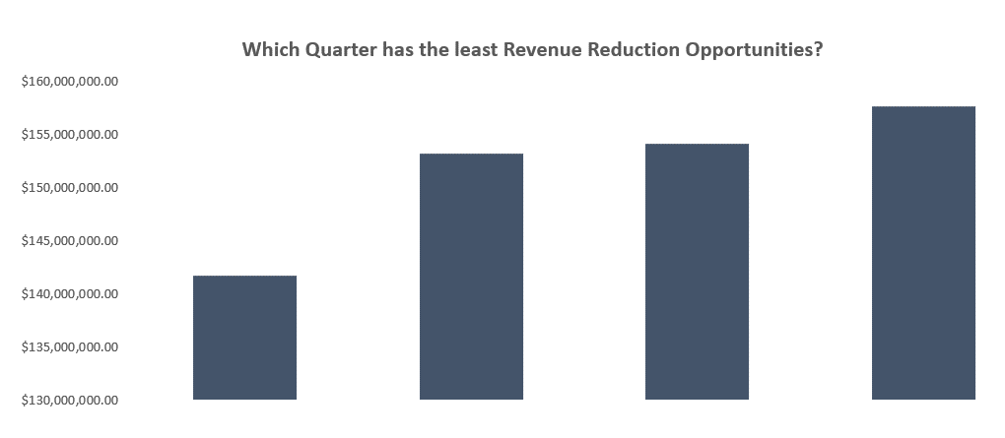

Well done! You've now completed the Economics Case Study Analysis! Let's top this off now by creating an insightful story we can present back to Southern Water Corps. Management using the templates provided.

